Cover Sheet
WEBER COUNTY SHERIFF'S OFFICE
UINTAH CITY
MONTHLY STATISTICS





FEBRUARY 2019

Reports Generated
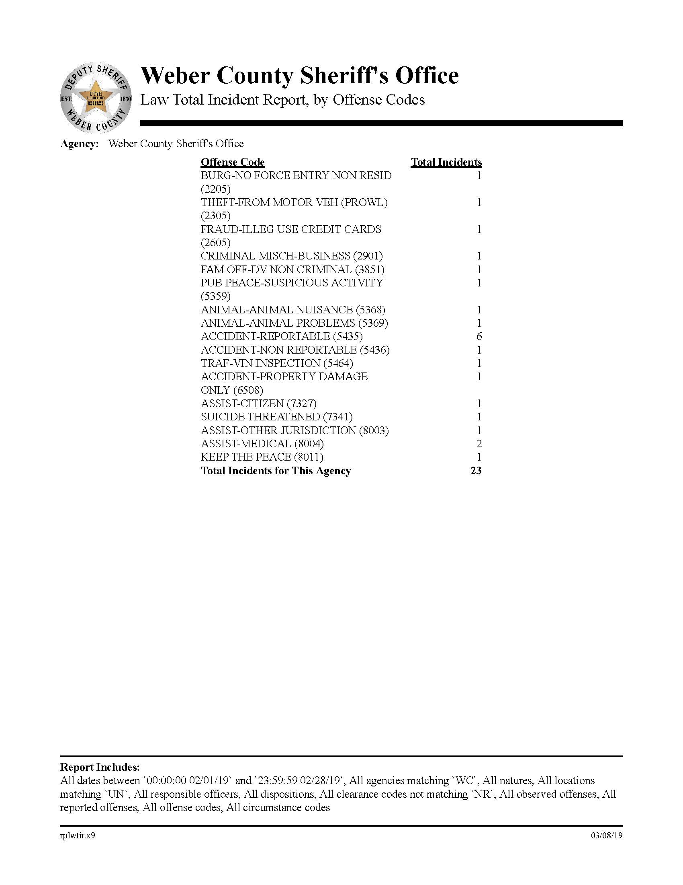
OFFENSE CODES FROM INCIDENTS
GENERATING A CASE REPORT

5 Year Comparison Calls
UINTAH CITY CALLS FOR SERVICE
INCLUDES TRAFFIC STOPS

78 | 57 | 67 | 64 | 69
2015 | 2016 | 2017 | 2018 | 2019

Uintah 5 Year Comparison

5 Year comparison Citations
UINTAH CITY CITATION 5 YEAR COMPARISON
FOR THE MONTH

30 | 25 | 10 | 13 | 9
2015 | 2016 | 2017 | 2018 | 2019

 |  |  | These figures was received from Uintah JP Court and
 |  |  | do not include any citations that were issued as warnings.

Uintah 5 Year Comparison

Uintah call stats
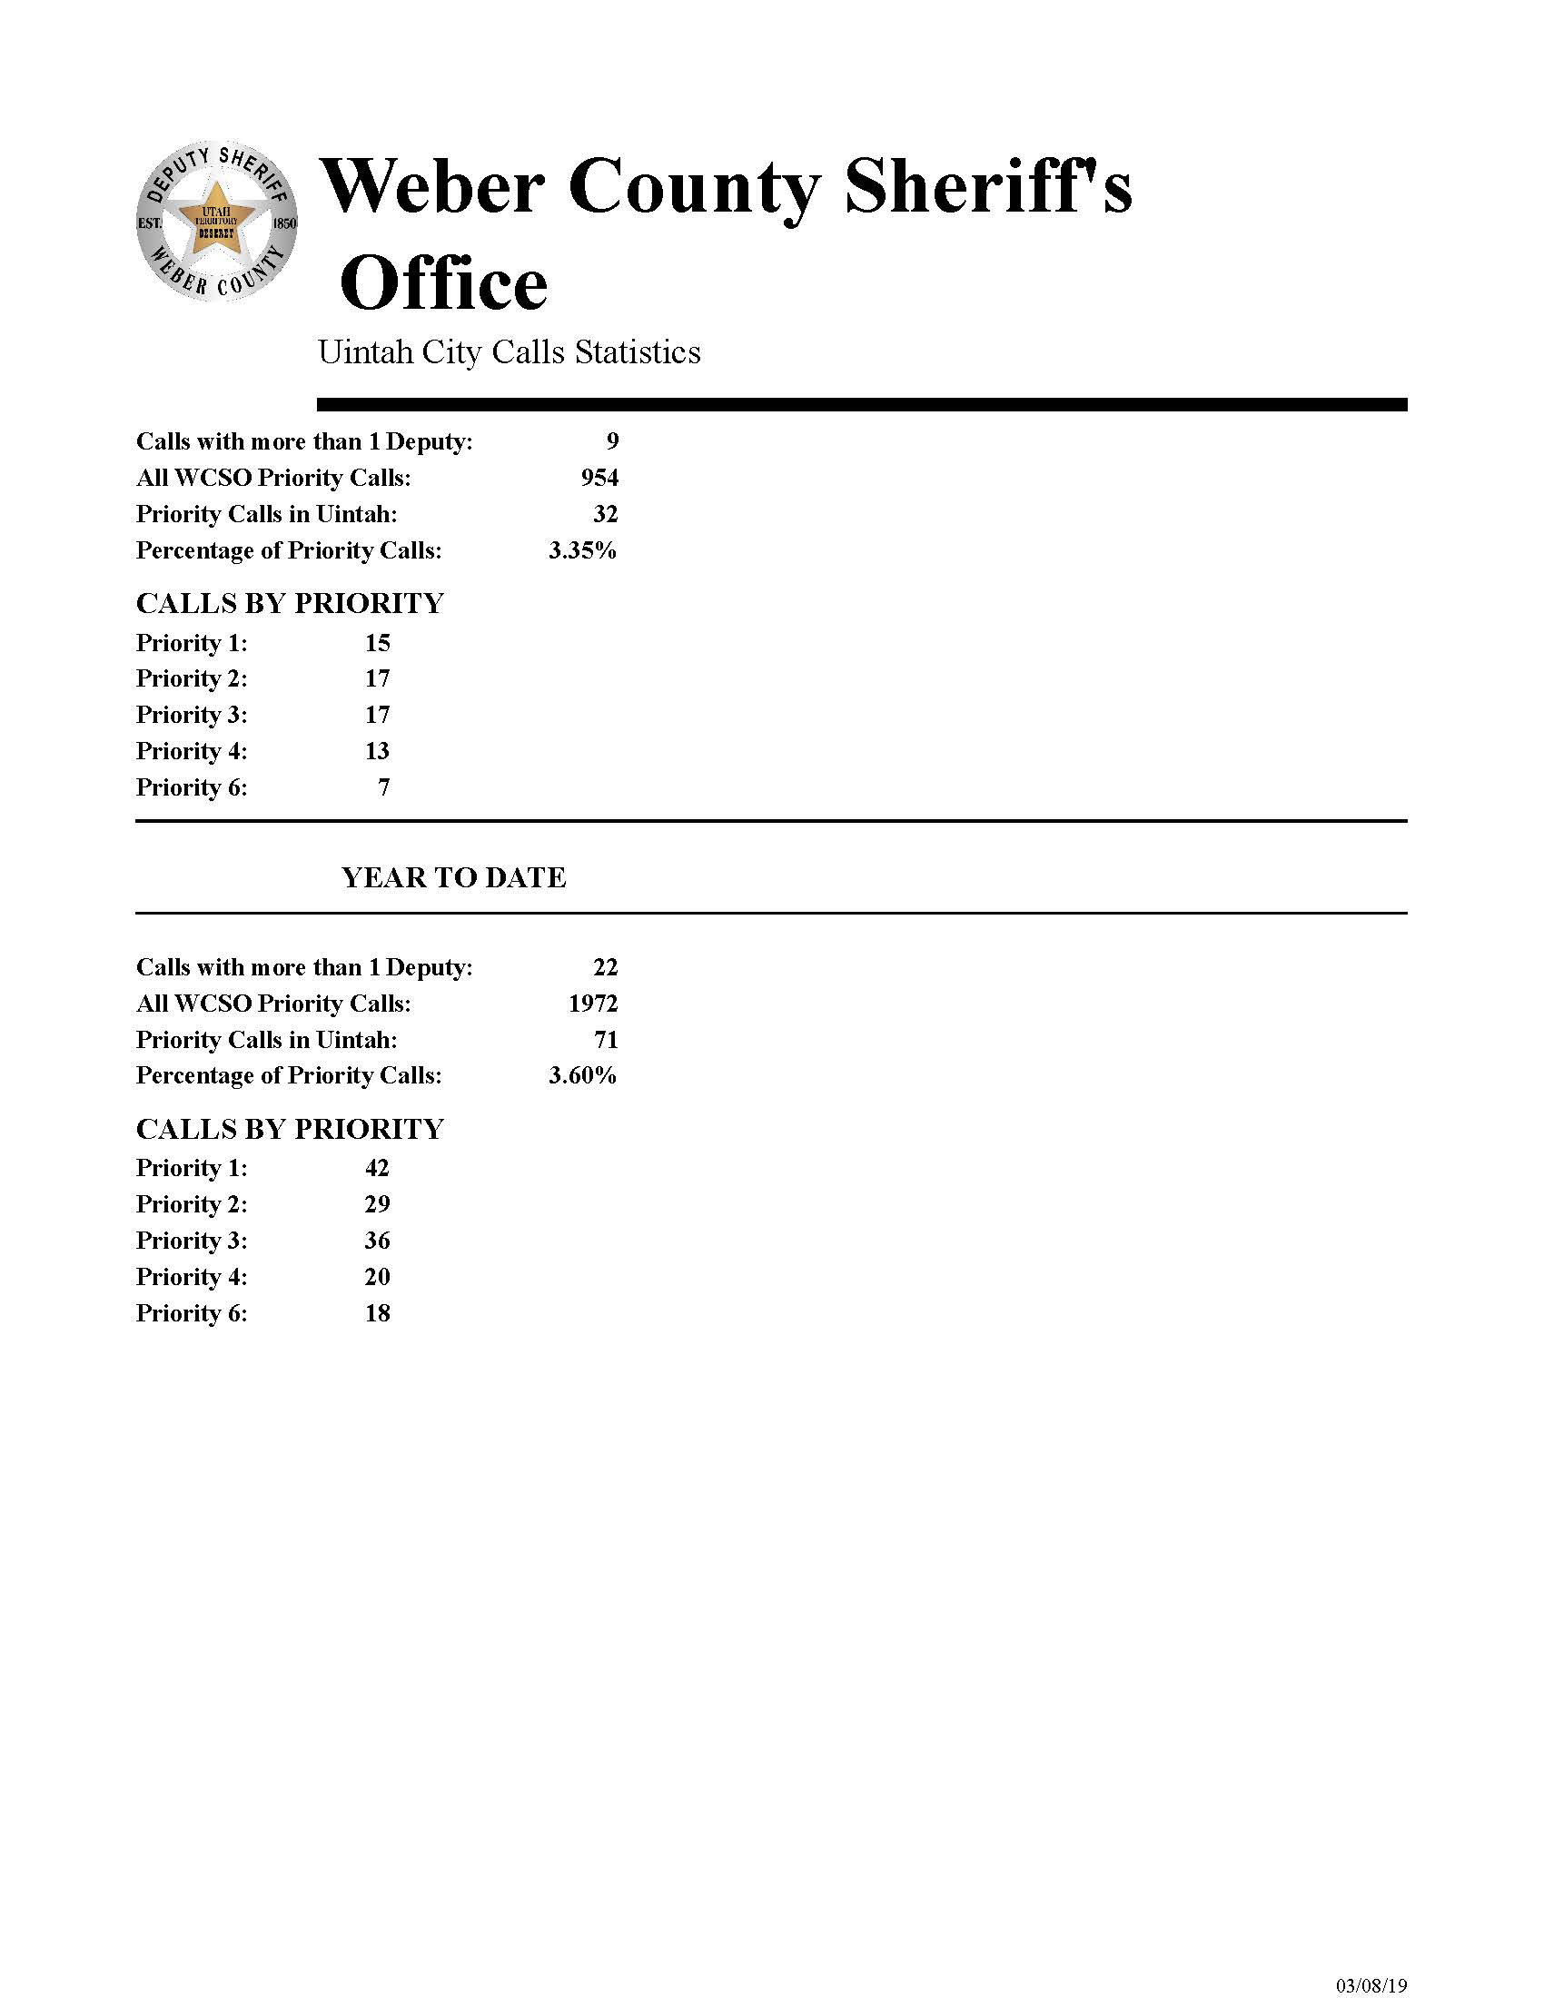

Crime Clock
UINTAH CITY
CRIME CALENDAR
2019



THEFT One occurred every 28 days

BURGLARY One occurred every 28 days

ASSAULTS Zero occurred every 28 days

