Cover Sheet
WEBER COUNTY SHERIFF'S OFFICE
UINTAH CITY
MONTHLY STATISTICS





APRIL 2021

Reports Generated
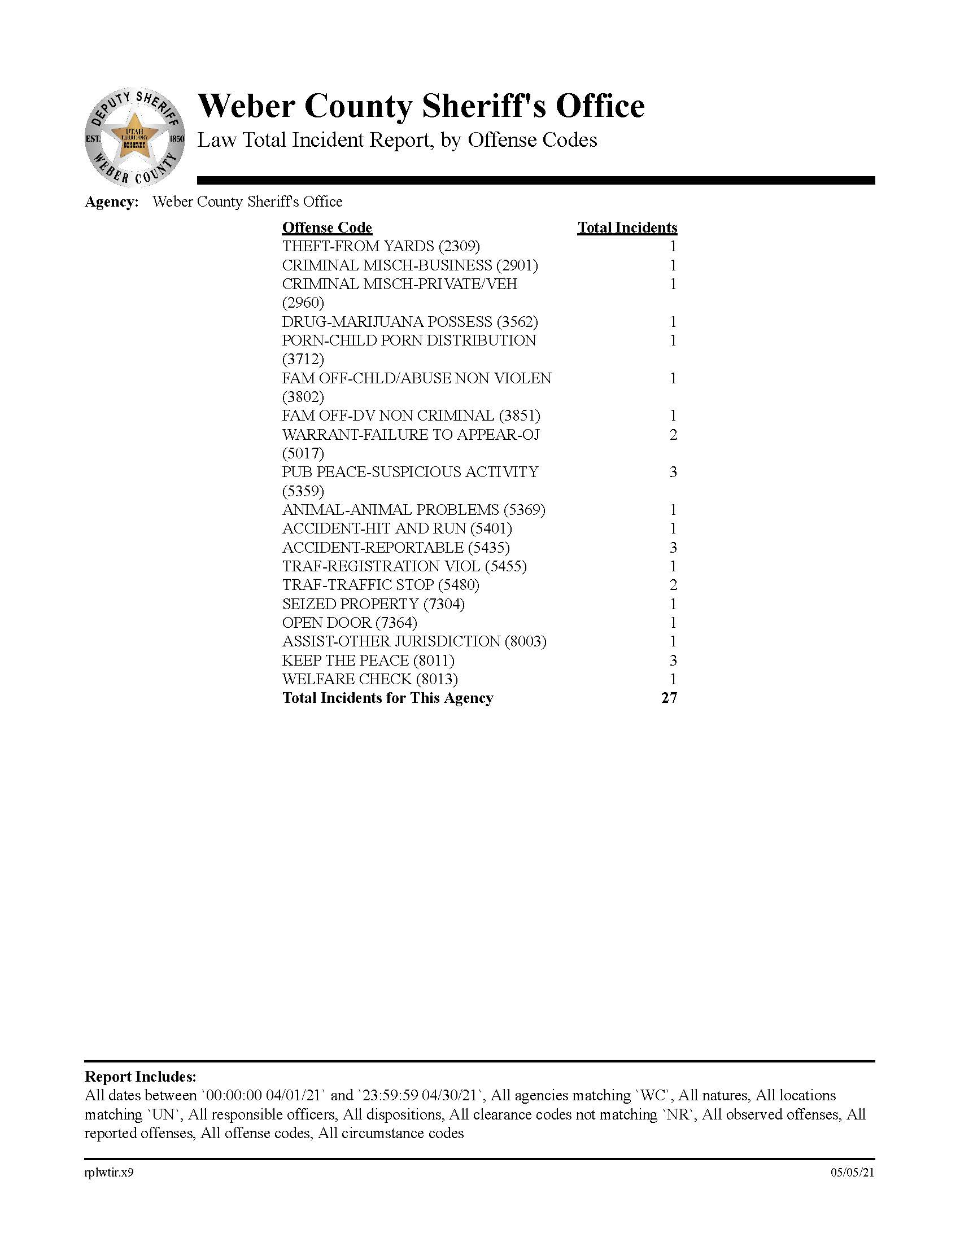
OFFENSE CODES FROM INCIDENTS
GENERATING A CASE REPORT

5 Year Comparison Calls
UINTAH CITY CALLS FOR SERVICE
INCLUDES TRAFFIC STOPS

67 | 117 | 77 | 39 | 146
2017 | 2018 | 2019 | 2020 | 2021

Uintah 5 Year Comparison

5 Year comparison Citations
UINTAH CITY CITATION 5 YEAR COMPARISON
FOR THE MONTH

29 | 44 | 16 | 3 | 25
2017 | 2018 | 2019 | 2020 | 2021

 |  |  | These figures were received from Uintah JP Court and
 |  |  | do not include any citations that were issued as warnings.

Uintah 5 Year Comparison

Uintah call stats
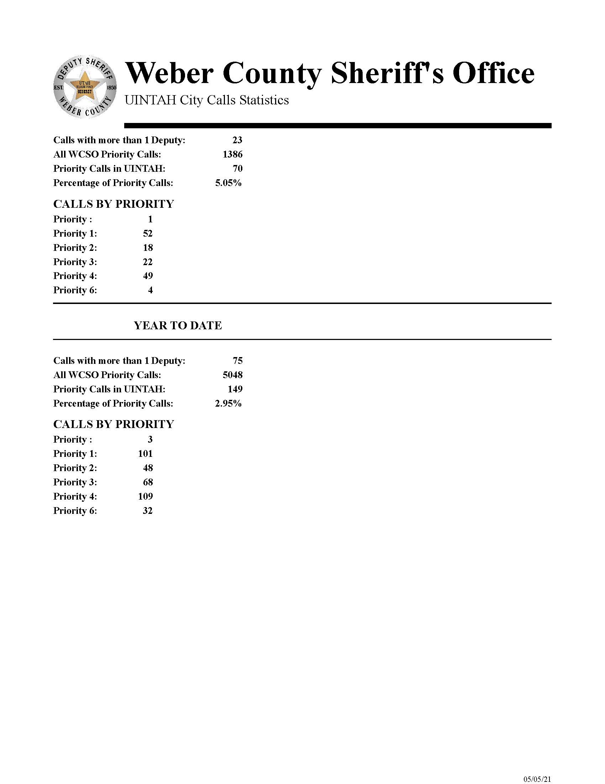

Crime Clock
UINTAH CITY
CRIME CALENDAR
2021



THEFT One occurred every 30 days

BURGLARY Zero occurred every 30 days

ASSAULTS Zero occurred every 30 days

