Cover Sheet
WEBER COUNTY SHERIFF'S OFFICE
UINTAH CITY
MONTHLY STATISTICS





SEPTEMBER 2018

Reports Generated
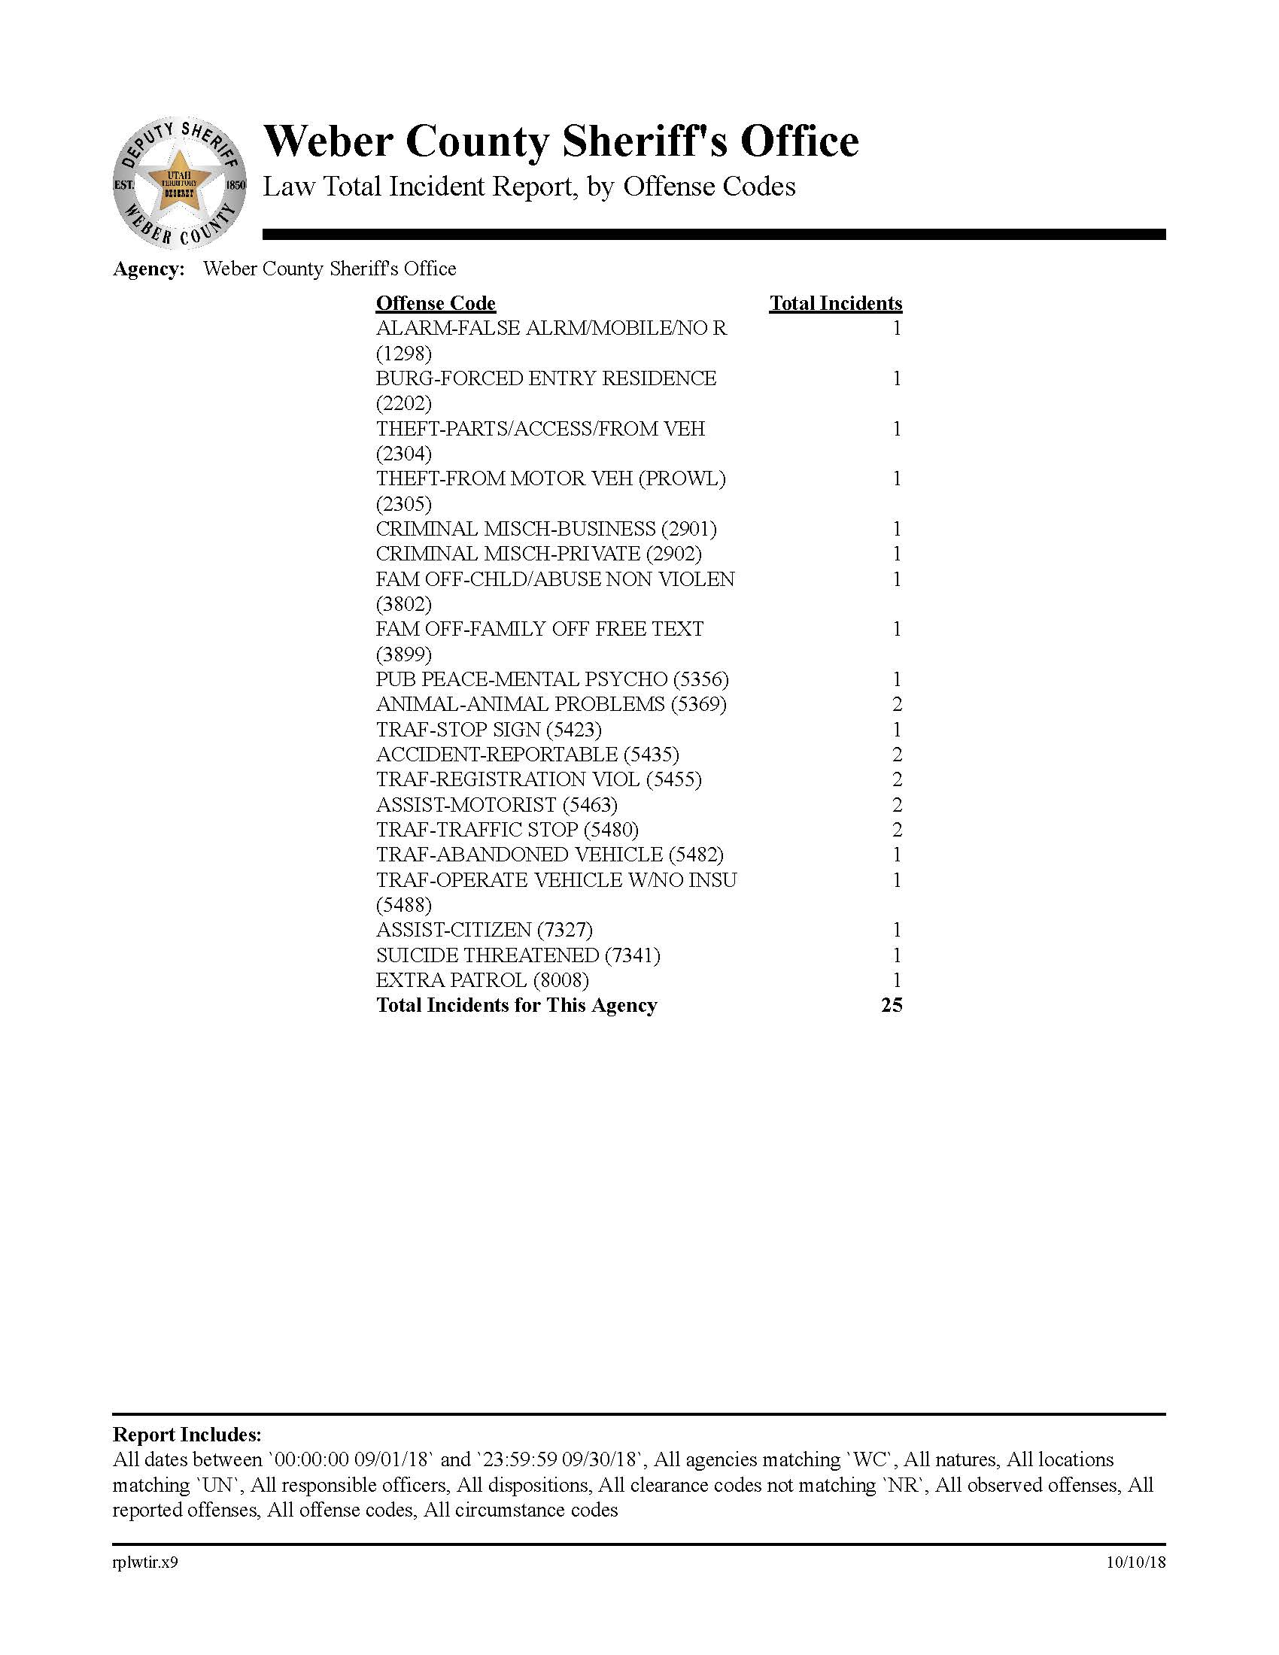
OFFENSE CODES FROM INCIDENTS
GENERATING A CASE REPORT

5 Year Comparison Calls
UINTAH CITY CALLS FOR SERVICE
INCLUDES TRAFFIC STOPS

53 | 46 | 51 | 60 | 57
2014 | 2015 | 2016 | 2017 | 2018

Uintah 5 Year Comparison

5 Year comparison Citations
UINTAH CITY CITATION 5 YEAR COMPARISON
FOR THE MONTH

10 | 13 | 9 | 30 | 18
2014 | 2015* | 2016* | 2017* | 2018*

 |  |  | * This figure was received from Uintah JP Court and
 |  |  | does not include any citations that were issued as warnings.

Uintah 5 Year Comparison

Uintah call stats
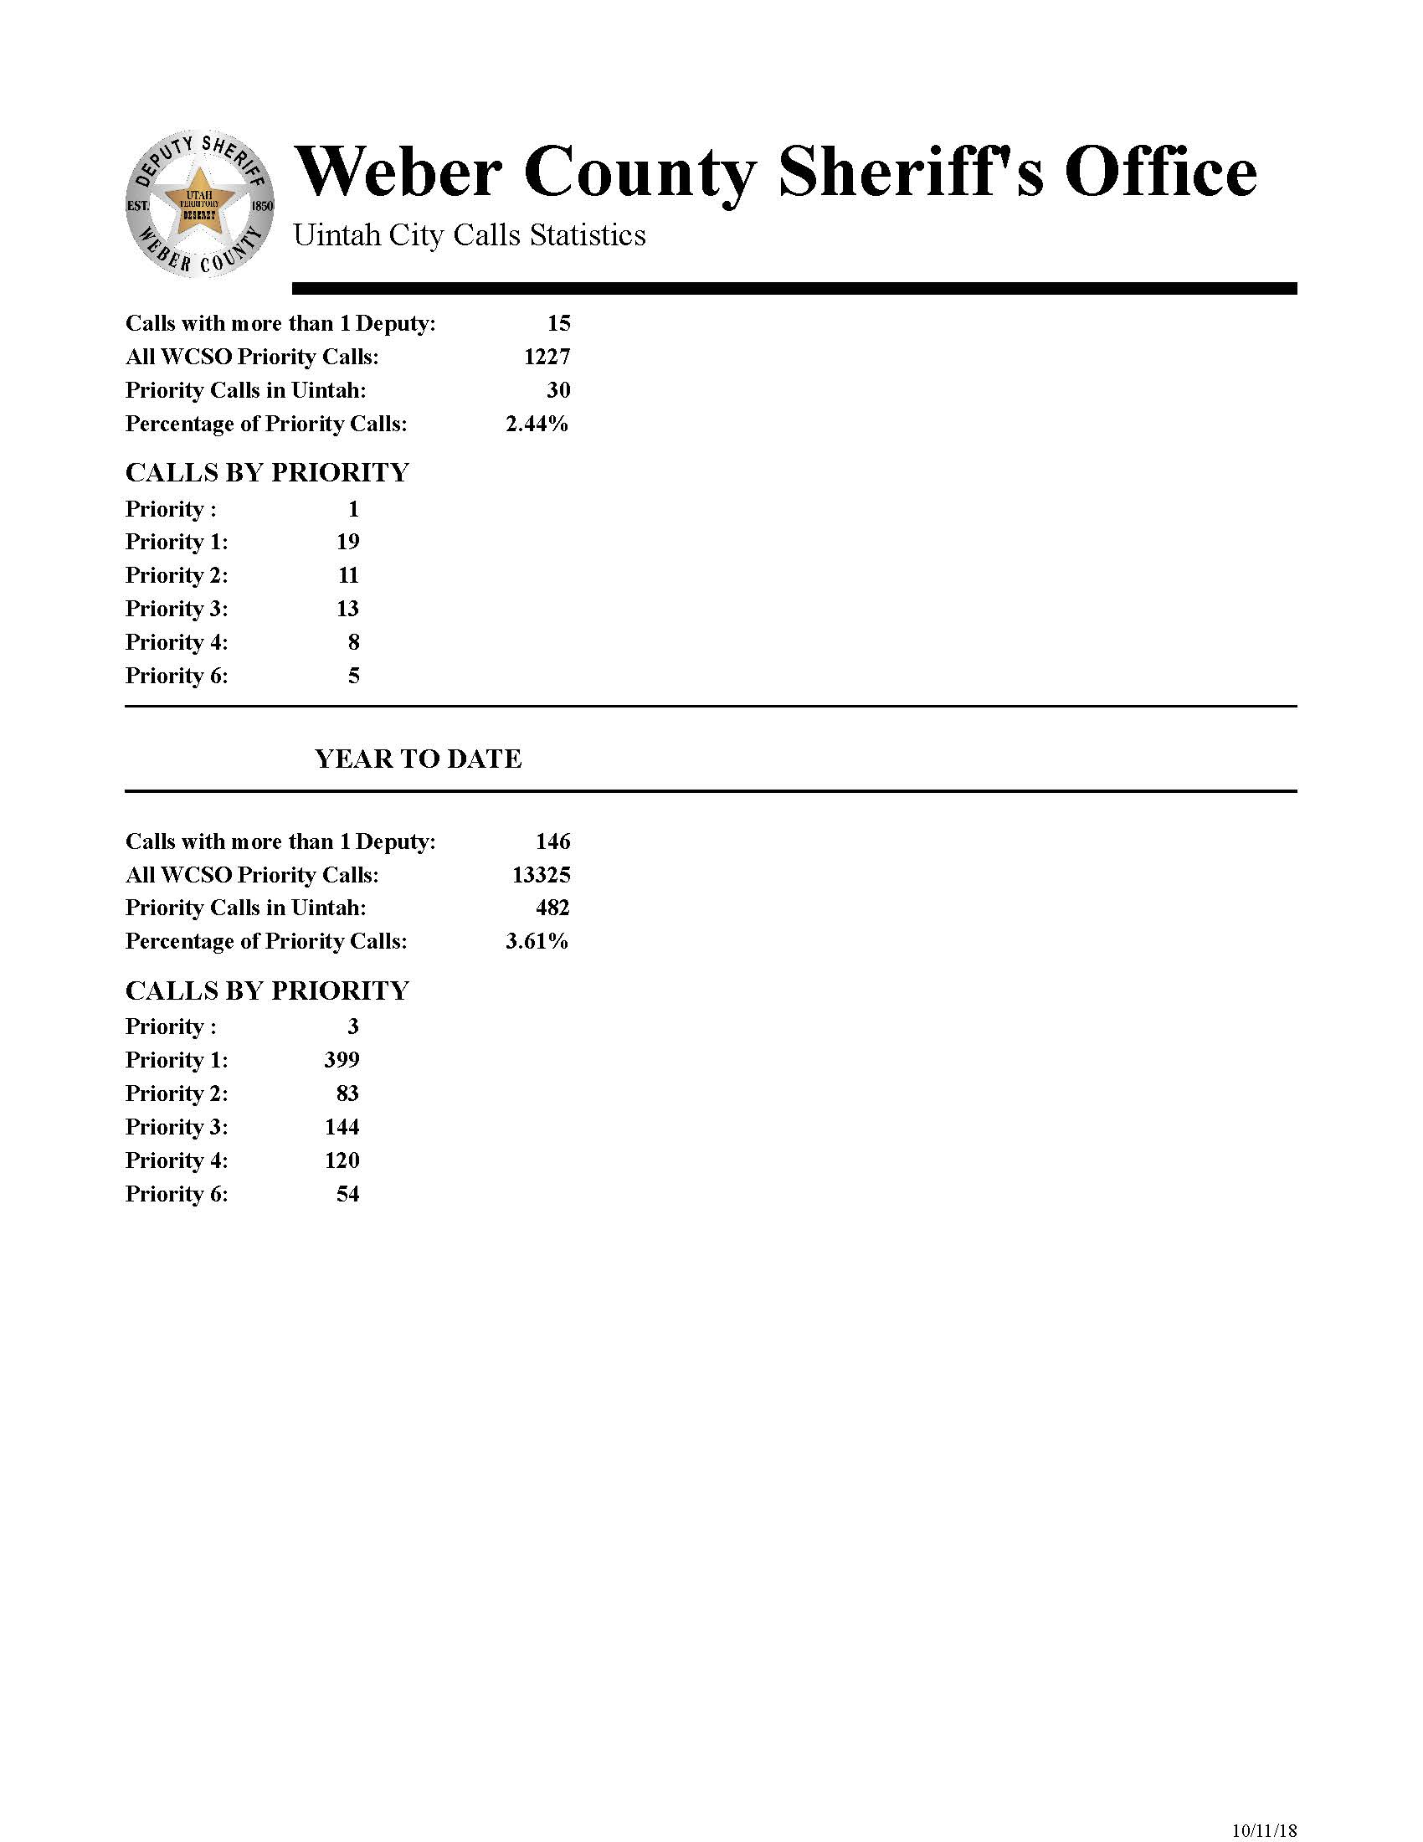

Crime Clock
UINTAH CITY
CRIME CALENDAR
2018



THEFT One occurred every 15 days

BURGLARY One occurred every 30 days

ASSAULTS Zero occurred every 30 days

